1. Title Page
[Project Name]

Project Name: Instacart Grocery Basket Analysis
Date: 11/16/2023
Analyst Name: Pratham Goswami

Contents:
Population Flow
Consistency checks
Wrangling steps
Column derivations
Visualizations
Recommendations

Date Citation: The Instacart Online Grocery Shopping Dataset 2017: Accessed from www.instacart.com/datasets/grocery-shopping-2017 via Kaggle on Nov 4th 2023 Customer data and prices are fabricated

2. Population Flow
Title page

Population flow

Orders_products_all
Orders_products_combined
Orders_products_merged

Total:32,434,489 Rows, 9 C
Total:32,404,859 Row, 14 Columns
Total:32,404,859 Rows, 27 C

1.) The grey boxes in the first row of the population flow represent the original data sets as they were when you downloaded them. In the Total fields you need to add the count of the rows when you imported the data set into Jupyter.
2.) The second row of boxes (coloured) represents the data sets after you manipulated them, e.g., removed missing values and duplicates. In the Total fields you need to add the count of the rows after conducting these operations. This offers a visual oveview of how the data flows throughout the data consistency checks.
3.) The third row, where also the arrows are coloured, represents the merges you performed between the datasets. In the Total fields you need to add the count of the rows in the merged datasets, so that you end up with the final dataset (in the red box). Keep in mind the final dataset should be without exclusions (based on the exclusion flag).

3. Consistency checks
 |  |  |  | Title page
Consistency checks

Dataset | Missing values | Missing values treatment | Duplicates
orders | days_since_prior_order : 206,209 (6%) | users with first time orders will have no prior record, hence null value in for 'days prior order' make sense | no duplicates
products | product_name: 6 missing values | Removed | 5 duplciate rows. Removed the 5 rows for analysis
orders_products_prior | no missing values |  | no duplicates
customers | first_name: 11,259 | will be removed anyway since it is Pll data | no duplicates

4. Wrangling steps
Wrangling steps

Columns dropped | Columns renamed | Columns' type changed | Comment/Reason
 |  | user_id | wrong type
 |  | product_id | wrong type
 | order_dow |  | changed to order_day_of_week
eval_set |  |  | not needed for analysis
first_name |  |  | Pll
 | surnam |  | changed to surname do to wrong spelling
date_joined |  |  | pll
Add_to_cart_order |  |  | not needed for analysis
aisle_id |  |  | not needed for analysis
 | Order_number |  | chagnted to number_of_orders
 | hour_of_day |  | hour_ordered
surname |  |  | Pll
Last_name |  |  | Pll
merged |  |  | droped this multiple times

5. Column derivations
Column derivations and aggregations

Dataframe | New column | Column/s it was derived from | Conditions
orders_product_merged_busy_dayshours | price_range_loc | prices | if prices is less than 5, then price_range_loc is Low-range product else if prices is between 5 and 15, then price_range_loc is Mid-range product else prices is more than 15, then price_range_loc is High-range product
orders_product_merged_busy_dayshours | busiest_day | orders_days_of_week | if orders_days_of_weekk is 0, then set Busiest day else if orders_days_of_week is 4 then set Least busy else orders_days_of_week is other values, set Regular
orders_product_merged_busy_dayshours | busy_slow_days | orders_days_of_week | if orders_days_of_week is 0 or 1 then set Busiest days else if orders_days_of_week is 3 or 4, then set Slowest days else orders_days_of_week is other values, set Regular days
orders_product_merged_busy_dayshours | busiest_hours | order_hour_of_day | if order_hour_of_day is 0,1,2,3,4,5 or 6 hours, then Fewest orders else if order_hour_of_day is 10,11,12,13,14 or 15, then set Most orders else order_hour_of_day is other values, set Average orders
orders_product_cust_types | max_orders | number_of_orders, user_id | max number_of_orders per user_id
orders_product_cust_types | loyalty_flag | max_orders | if max_orders is more than 40, then set Loyal customer else if max_orders is more than 10 and less than equal to 40, then set Regular customer else max_orders is less than equal to 10, set New customer
orders_product_cust_types | mean_expenses | prices, user_id | mean prices per user_id
orders_product_cust_types | spender_type | mean_expenses | if mean_expensess is less than 10, then set Low spender else if expensess is more than equal to 10, then set High spender
orders_product_cust_types | median_days_prior_purchase | days_since_prior_order, user_id | median of days_since_prior_order per user_id
orders_product_cust_types | frequency_cust_type | median_days_prior_purchase | if median_days_prior_purchase is more than 20, then set Non-frequent customer else if median_days_prior_purchase is more than 10 and less than equal to 20, then set Regular customer else median_days_prior_purchase is less than equal to 10, set Frequent customer
ords_prod_cust_departments_kids | kids_flag | n_dependants | if n_dependants is 0, then set No Kids else if n_dependants is more than 0, then set Has Kids
ords_prod_cust_departments_kids | income_flag | income | if income is less than equal to 200,000, then set Low income else if income is more than 200,000, then set to High income

6. Visualizations
 |  |  |  |  |  |  |  |  | Title page

Visualisations

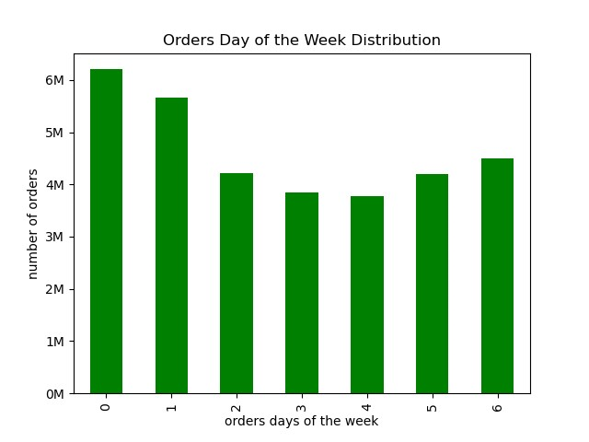


1. Frequency

Fig 2
Fig 1

 | most orders are on Saturday and Sunday. |  |  |  |  |  |  | Peak hours are 10am-4pm and mos orders are made at 10-11am and 2pm.

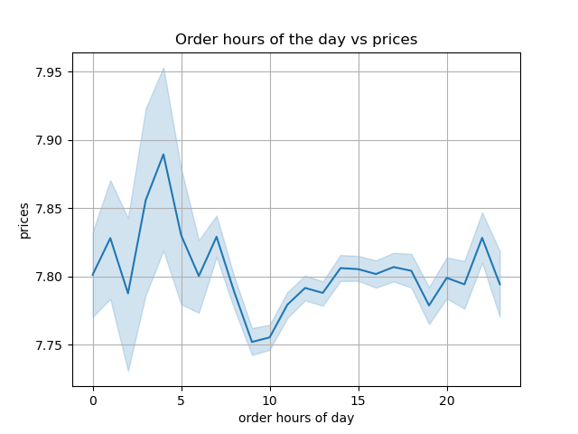

 |  |  |  |  |  |  |  | My initial graph was wrong do to some inacuracies in data but when cleared up this is what you get,on average expenses are higher at 10 pm, 1 am, 4 am, and 7am but peak at 4 am.

Fig 3

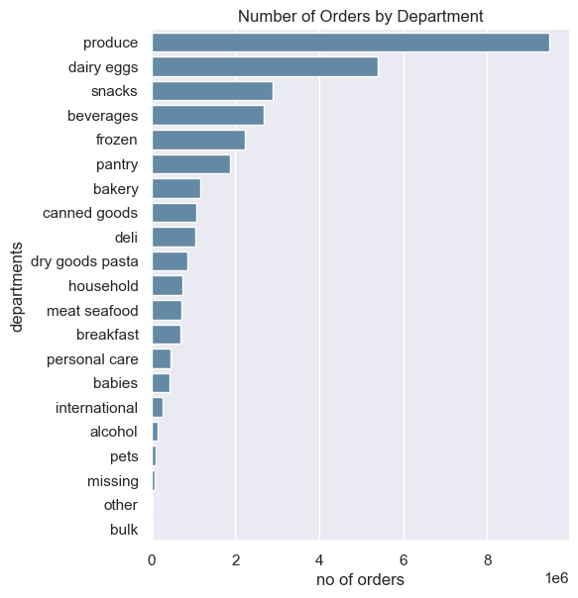
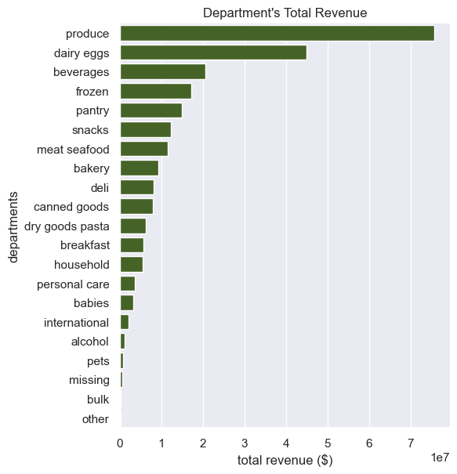
2. Department & Pricing

Fig 4
Fig 5

 |  |  | By a wide margin porduce is the highest revenue and number of orders in the store, with dairy eggs coming second. Notibly snacks while being third on the number of orders list is 6th on the revenue list.

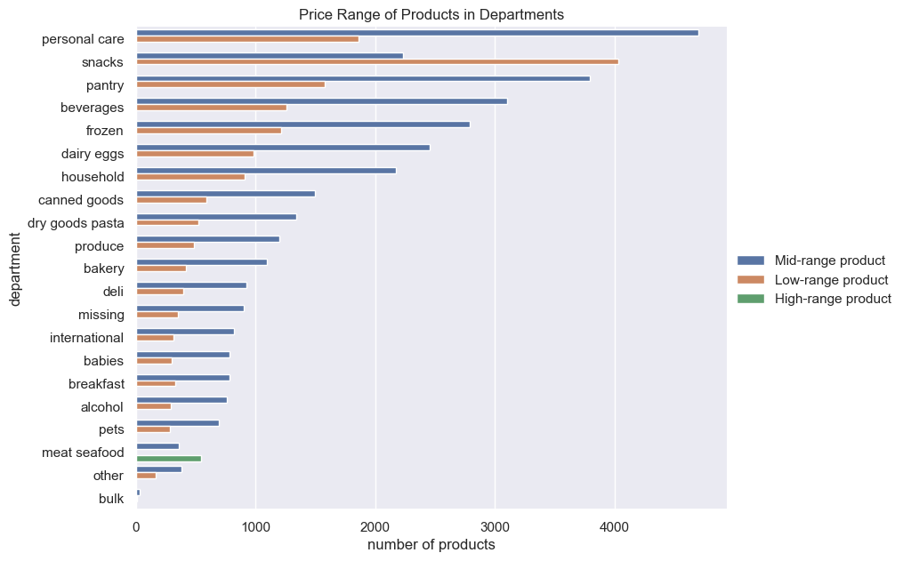



Fig 22
Fig 6

 |  |  |  | The graph indicates that only the meat and seafood section have high range products and explains why while snakcs has a high number of sales brings in low revenue, they sell primarily only low range products.

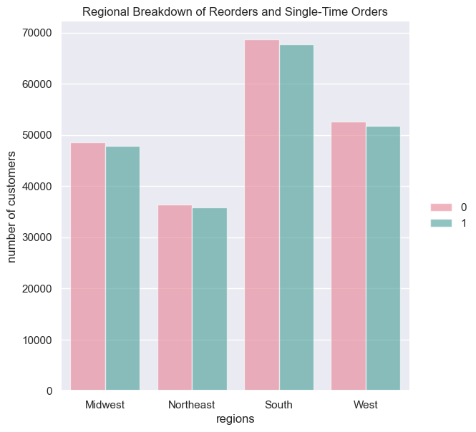
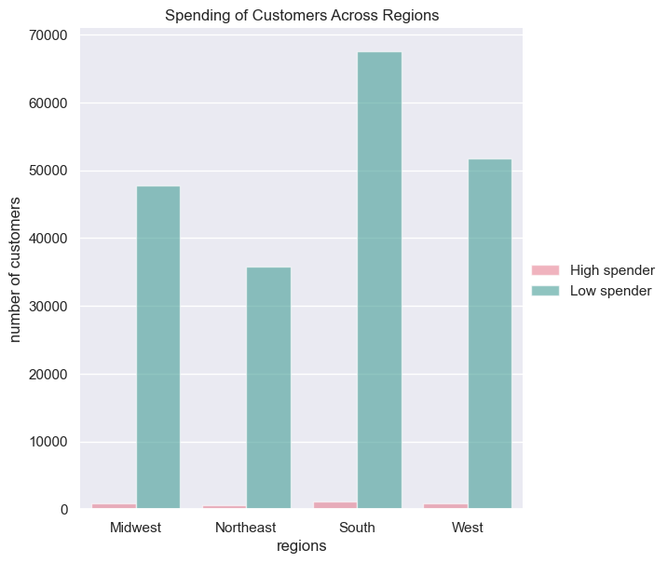

3. Regional Analysis

Fig 7
Fig 8

 | This graph indicates most regions have a similar number of first time customers and repeat customers, not allowing us to glimps much form this graph. |  |  |  |  | The south has a much larger low spending habit then most other regions, it could be worth looking into more detail as to why this would be. However the high spenders are marginally diferent between regions.

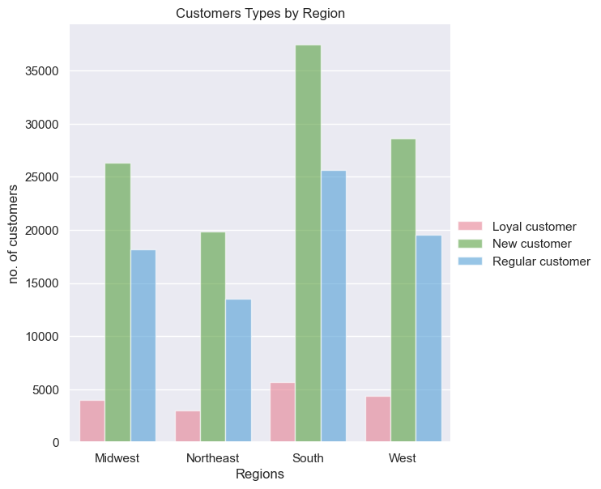

 |  |  |  |  |  | The Southern region had the most number of loyal new and regular customers while most other regions remained in close contendings with one another. All regions have the highest number of new customers indicating a high level of growth still.

Fig 9

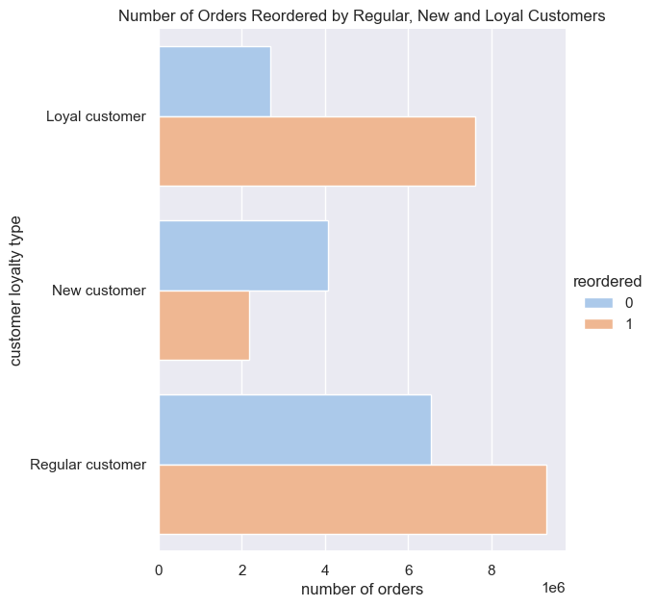
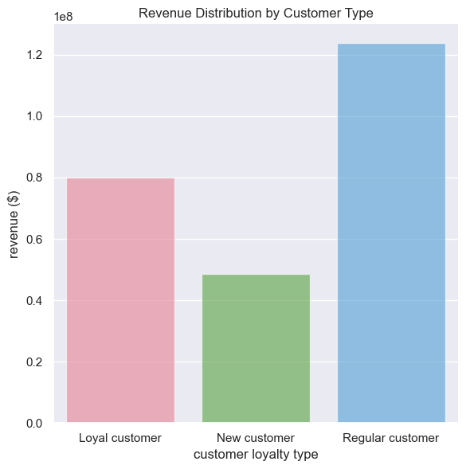

4. Customer Analysis

Fig 11

Fig 10

Regular and Loyal customers make the most orders and generate the most revenue, despite having higher proporting of new customers across all regions. |  |  |  |  |  | Regular and Loyal customers reorder products more frequently Orders were predominantly placed by Regular customers at 49%, with Loyalty customers contributing 32%

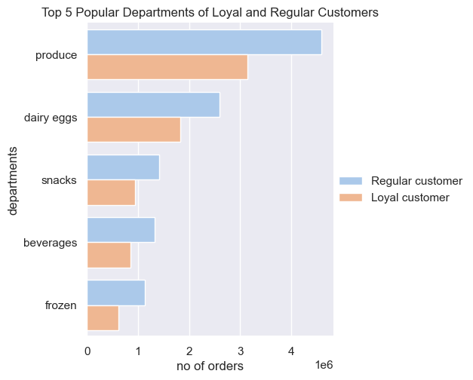
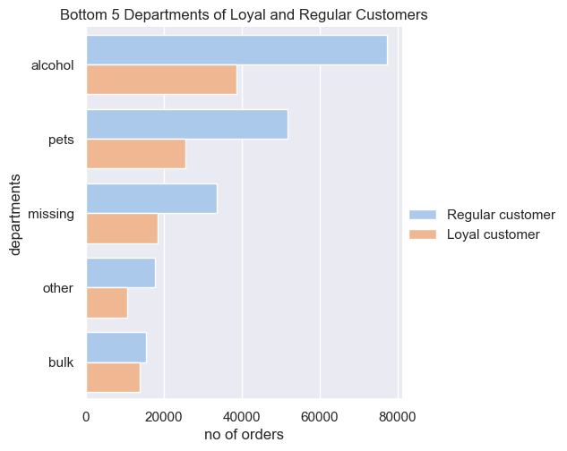

Fig 12
Fig 13

 | Across Loyal and Regular customers, department preferences are the same Popular departments are producs, dairy eggs and snacks Least popular items are from departments are bulk, other and missing

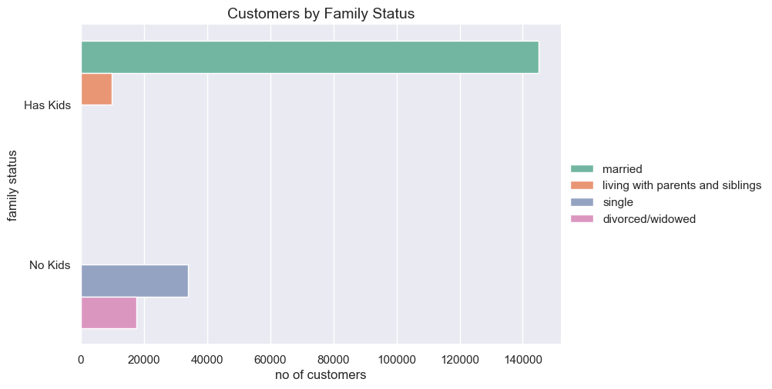
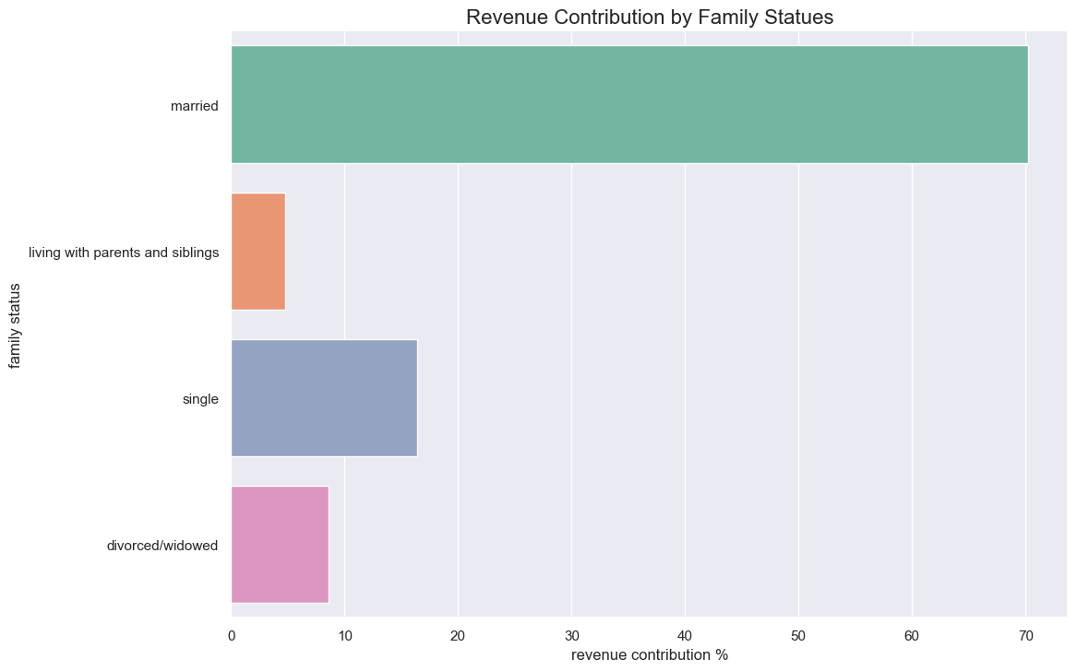
5. Age & Family Status

Fig 15
Fig 14

 | 1. 70% of Insta cart customers are married and have kids 2. Smallest segment of customers (5%) are living with parents and siblings with kids |  |  |  |  |  | 70% of revenue is generated by married customers There is a positive correlation between number of customers and revenue generated by family groups.

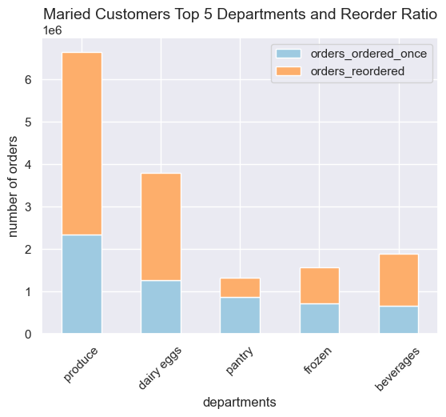

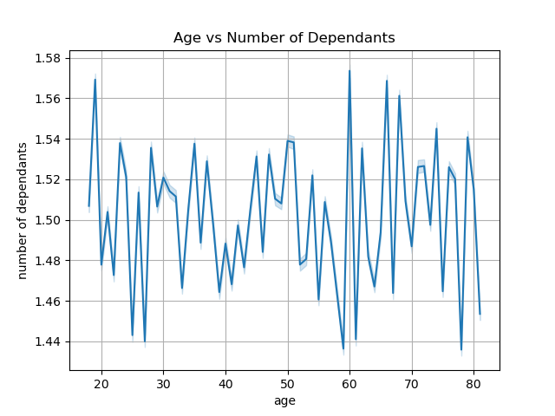

Fig 17
Fig 16

There is no correlation between age and dependants. |  |  |  |  |  |  | 1. Produce, dairy eggs, beverages,frozen, and pantry are the same top 5 popular department as rest of the customer base 2.Married couples get pantry items more than snacks

6. Income

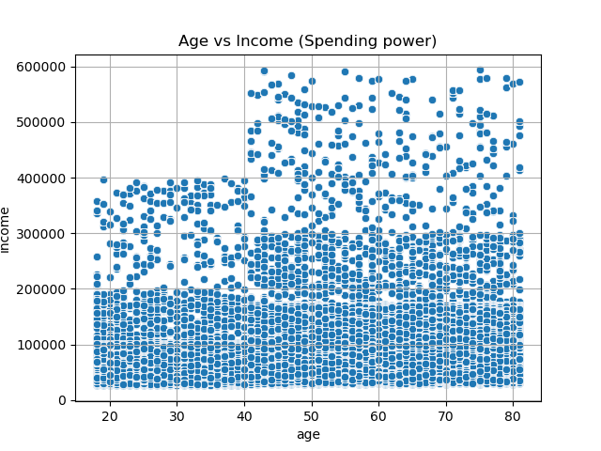

Fig 18

Majority of 18-40 year olds don’t make more than $200,000. Income spikes hard after the age of 40 for most allowing more people to make into the 200,000 - 400,000 and up range.

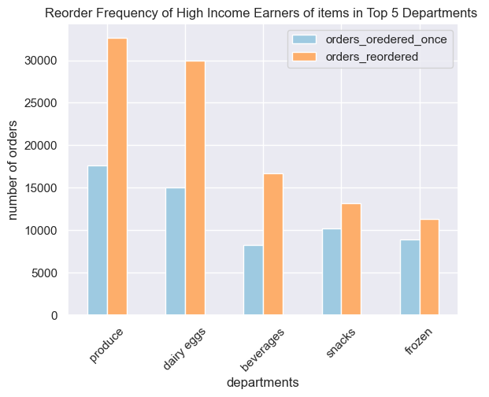
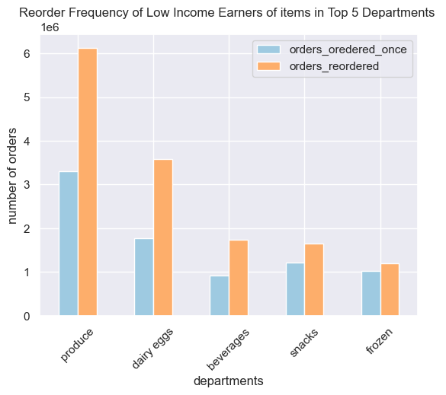

Fig 20
Fig 19

 |  |  |  | Low and high income earners spend in the same departments, same preferances as the majority. Both have a high frequency of reorders from top 5 departments.

Top 10 Preferred Products of High Income Earners
Department | Product Name | Number of Orders | Revenue
produce | Banana | 3,307 | $40,676 |  | Similar to most other groups high income earners order most bananas. However they differ in tending to buying more low fat health counsous options.
dairy eggs | Lowfat 2% Milkfat Cottage Cheese | 2,364 | $-
produce | Bag of Organic Bananas | 1,962 | $20,209
dairy eggs | 2% Reduced Fat Milk | 1,023 | $9,412
produce | Small Hass Avocado | 952 | $8,378
bakery | 100% Whole Wheat Bread | 944 | $4,909
frozen | Blueberries | 929 | $9,847
produce | Organic Fuji Apple | 894 | $1,430
produce | Limes | 853 | $12,539
dairy eggs | Fresh CA Grown Eggs | 846 | $5,668

Fig 21

7. Recommendations
 |  |  | Title page

Recommendations

Answers to Data Questions

Question | Answer | Chart Reference
What the busiest days of the week and hours of the day are (i.e., the days and times with the most orders) in order to schedule at times when there are fewer orders. | The most bustling days of the week are Saturday and Sunday, with peak activity observed between 10:00 AM and 4:00 PM, reaching zeniths at 10:00 AM, 11:00 AM, and 2:00 PM. The lowest volume of orders typically occurs on Tuesday and Wednesday, particularly during the early morning hours between 12:00 AM and 5:00 AM. | Fig 1
What times of the day when people spend the most money | On average, individuals tend to allocate a significant portion of their expenditures during the hours spanning from 10:00 PM to 7:00 AM, experiencing notable peaks at 10:00 PM, 1:00 AM, 4:00 AM, and 7:00 AM. | Fig 3
Proposed pricing groups for marketing department | low range is 5 or less mid range should be 5-15 High range is 15 and up | Fig 22
What types of products that are more popular than others. Highest Frequency of products | Instacart customers demonstrate a pronounced preference for and frequent purchase of products within the Produce, Dairy, and Eggs categories, highlighting their popularity among the user base. | Fig 4
Are there differences in ordering habits based on a customer’s region? | Southern states have the most customers Most statest spend the most on low price range items However each reagion has the same top prefered items. | Fig 7 and 8
What’s the distribution among users in regards to their brand loyalty (i.e., how often do they return to Instacart) | New customers, while showing a notable increase across all regions, tend to contribute the least in terms of orders, reorders, and overall revenue. In contrast, regular customers emerge as the primary contributors, demonstrating the highest levels of engagement in orders, reorders, and revenue generation. | Fig 11 and 10
Ordering habits of Regular and Loyal Customers since they generate most revenue and make most orders | Regular and Loyal customers favor the same top 5 departments: produce, dairy eggs, snacks, beverages, and frozen. Their shared top 10 product preferences differ in fruit choices, with Regular customers preferring Strawberries and Loyal customers opting for Organic Raspberries. While Regular customers spend slightly more, both groups mainly consist of low spenders. | Fig 12 and 13
Is there a connection between age and family status in terms of ordering habits? | No direct correlation exists between age and family status in determining ordering habits. Young adults (18-21) living with kids and siblings prefer produce, dairy eggs, snacks, beverages, and frozen items. Divorced or widowed individuals are typically 60+, while singles range from 18 to 51; both groups share preferences for produce, dairy eggs, pantry items, beverages, and frozen goods. | Fig 16 and 17
Order habits of married customers with kids since they are 70% of customer base and generate the most revenue | Married couples' top-preferred departments align with the broader customer base—Produce, Dairy Eggs, Beverages, and Frozen. However, they tend to favor Pantry items over snacks. | Fig 14,15, and 17
Ordering habits of customers with income less than $200,000 as there is a higer distribution of expenses within customers with income less than 200,000 and generate 99% of revenue | A significant majority of customers aged 18 to 40 exhibit an income below $200,000, with a substantial portion of this income bracket being comprised of married individuals with children. Low-income earners, whose preferences align with the overall customer base and regular customers, prioritize produce, dairy eggs, beverages, and frozen items. | Fig 18 and 20
Ordering habits of customers with income more than $200,000 as Instacart hold a small market share and have high spending power | A notable majority of customers above the age of 40 boast an income exceeding $200,000. Despite high-income earners sharing top department preferences with the overall customer base, it is worth noting top produce for high income earners tends to be more on the health causous side. With the purchase of Low fat milk, organic bananas, 100% whole wheat bread, organic fuji apples and fresh CA grown eggs all being in their top 10 preffered items. | Fig 18,19 and 21

Main Recommendations

1) To enhance retention among high-income earners, consider promoting a wider array of organic and health-conscious food options. Given their inclination toward healthier alternatives within their top 10 purchases, an increased focus on advertising these items could be beneficial. This strategic emphasis aligns with their preferences and encourages a continued association with Instacart for their health-conscious choices. 2) To enhance retention and expansion within Instacart's growing community of married regular customers, we recommend implementing targeted campaigns. These campaigns should include coupons with slight markdowns on commonly purchased items, while also featuring more substantial price reductions on high-value products. This dual approach aims to incentivize both increased shopping frequency and larger, more substantial purchases among our valued customer base. 3) Instacart currently holds a limited market share among customers living with parents, siblings, and those with children—typically young adults with larger families and lower spending power. To address this, we recommend expanding bulk product offerings, specifically in the produce, beverages, snacks, frozen, and dairy eggs departments. This expansion aims to cater to the needs of this demographic by providing lower per-unit costs, making it a more attractive and cost-effective option for larger families that pool resources.

